Graphical Representation
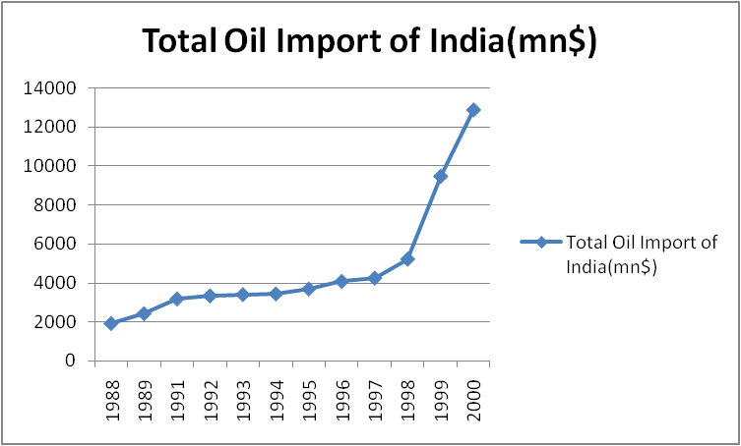
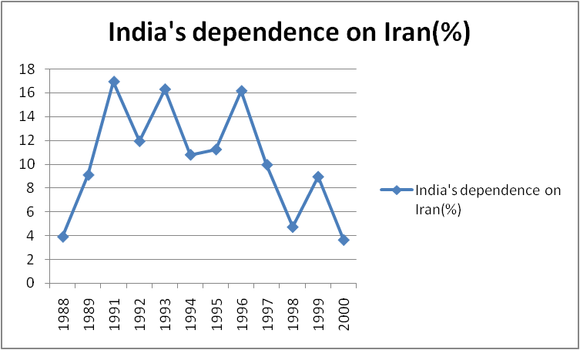
 | India's Oil Import From Iran(mn$) | Total Oil Import of India(mn$) | Average Oil Import of India From Iran | India's Oil Import from Iran Status | India's dependence on Iran(%) | Growth of India's Oil Import From Iran(%) | Growth Status
1988 | 74.99 | 1925.14 | 1000.07 | Low Import | 3.90
1989 | 220.89 | 2430.75 | 1325.82 | Low Import | 9.09 | 194.56 | India highly depend on Iran
1991 | 538.87 | 3184.59 | 1861.73 | High Import | 16.92 | 143.95 | India highly depend on Iran
1992 | 398.41 | 3342.73 | 1870.57 | Low Import | 11.92 | -26.07 | India divert their import from another country
1993 | 554.87 | 3407.43 | 1981.15 | High Import | 16.28 | 39.27 | India reduce their import from Iran
1994 | 371.11 | 3442.08 | 1906.595 | Low Import | 10.78 | -33.12 | India divert their import from another country
1995 | 414.60 | 3694.21 | 2054.41 | Median import | 11.22 | 11.72 | India divert their import from another country
1996 | 658.70 | 4080.42 | 2369.56 | High Import | 16.14 | 58.88 | India reduce their import from Iran
1997 | 422.54 | 4252.44 | 2337.49 | Median import | 9.94 | -35.85 | India divert their import from another country
1998 | 246.09 | 5224.07 | 2735.08 | Low Import | 4.71 | -41.76 | India divert their import from another country
1999 | 845.70 | 9465.31 | 5155.5 | High Import | 8.93 | 243.65 | India highly depend on Iran
2000 | 466.33 | 12865.17 | 6665.75 | Median import | 3.62 | -44.86 | India divert their import from another country

